1. Title Page
Instacart Grocery Basket Analysis

Project Name: Instacart Grocery Basket Analysis
Date: 27.06.2023
Analyst Name: Jakov Horvat

Contents:
Population Flow
Consistency checks
Wrangling steps
Column derivations
Visualizations
Recommendations

2. Population Flow
Title page

Population flow

Exclusion flag
Condition: max_order < 5
Obervations to be removed: 1440295
Final total count of order_products_all:30964564

Orders_products_combined
Orders_products_merged
Orders_products_all

Total:32404859
Total: 32404859
Total:32404859

1.) The grey boxes in the first row of the population flow represent the original data sets as they were when you downloaded them. In the Total fields you need to add the count of the rows when you imported the data set into Jupyter.
2.) The second row of boxes (coloured) represents the data sets after you manipulated them, e.g., removed missing values and duplicates. In the Total fields you need to add the count of the rows after conducting these operations. This offers a visual oveview of how the data flows throughout the data consistency checks.
3.) The third row, where also the arrows are coloured, represents the merges you performed between the datasets. In the Total fields you need to add the count of the rows in the merged datasets, so that you end up with the final dataset (in the red box). Keep in mind the final dataset should be without exclusions (based on the exclusion flag).

3. Consistency checks
 |  |  |  | Title page
Consistency checks

Dataset | Missing values | Missing values treatment | Duplicates
orders | 206209 | Created flag column | 0
products | 16 | Created new df without missing values | 5
orders_products_prior | 0 |  | 0
customers | 0 |  | 0

4. Wrangling steps
 |  |  |  | Title page
Wrangling steps

Columns dropped | Columns renamed | Columns' type changed | Comment/Reason
 |  | df_ords['order_id'] = df_ords['order_id'].astype('str') | It does not represent a numerical value
 | df_customer.rename(columns={'First Name':'first_name', 'Surnam':'last_name', 'Gender':'sex', 'STATE' :'state', 'Age':'age'}) |  | To have consistent and uniform naming system
 |  | df_ords['user_id'] = df_ords['user_id'].astype('str') | It does not represent a numerical value
 | df_ords.rename(columns = {'order_dow' : 'orders_day_of_a_week'}, inplace = True) |  | To have better understanding of the column
df.drop(columns=['first_name', 'last_name'], inplace = True, axis = 1) |  |  | Columns contain personal identifiable information

5. Column derivations
 |  |  |  | Title page

Column derivations and aggregations

In this tab you should add tables below that the frequences of flags/label variables that you produced after deriving them. NB: don't do this for continuous variables, only for flags.
Dataset | New column | Column/s it was derived from | Conditions
df_ords_prods_merge | price_range | prices | prices > 15 - High-range product 5 < prices <= 15 - Mid-range product prices <= 5 - Low-range product
df_ords_prods_merge | busiest_day | orders_day_of_week | orders_day_of_week == 0 - Busiest day orders_day_of_week == 4 - Least busy else - Regular day
df_ords_prods_merge | busiest_days | orders_day_of_week | orders_day_of_week.isin([0, 1]) - Busiest days orders_day_of_week.isin([3, 4]) - Slowest days else - Regular days
df_ords_prods_merge | busiest_period_of_day | order_hour_of_day | order_hour_of_day.between(9, 17) - Most orders order_hour_of_day.isin([8, 18, 19]) - Average orders else - Fewest orders
df_ords_prods | loyalty_flag | max_order | max_order > 40 - Loyal customer 10 < max_order <= 40 and - Regular customer max_order <= 10 - New customer
df_ords_prods | spending_flag | avg_price | avg_price < 10 - Low spender avg_price >= 10 - High spender
df_ords_prods | frequency_flag | med_freq_order | med_freq_order > 20 - Non-freqent customer 10 <= med_freq_order <= 20 - Regular customer med_freq_order <= 10 - Frequent customer
final_df | region | state | state.isin(northeast) - Northeast state.isin(midwest) - Midwest state.isin(south) - South state.isin(west) - West
final_df | user_profile | age, n_dependants, fam_status | age.between(12, 28) & n_dependants == 0 & fam_status.isin(['divorced/widowed', 'single', 'living with parents and siblings']) - Young Single Adult" age.between(12, 28) & n_dependants == 0 & fam_status.isin(['married']) - Young Married Adult age.between(12, 28) & n_dependants > 0 & fam_status.isin(['married']) - Young Married Adult Parent age.between(12, 28) & n_dependants > 0 & fam_status.isin(['divorced/widowed', 'single', 'living with parents and siblings']) - Young Single Adult Parent age.between(29, 64) & n_dependants == 0 & fam_status.isin(['divorced/widowed', 'single', 'living with parents and siblings']) - Single Adult age.between(29, 64) & n_dependants == 0 & fam_status.isin(['married']) - Married Adult age.between(29, 64) & n_dependants > 0 & fam_status.isin(['divorced/widowed', 'single', 'living with parents and siblings']) - Single Adult Parent age.between(29, 64) & n_dependants > 0 & fam_status.isin(['married']) - Married Adult Parent age > 65 & n_dependants == 0 & fam_status.isin(['divorced/widowed', 'single', 'living with parents and siblings']) - Single Senior age > 65 & n_dependants == 0 & fam_status.isin(['married']) - Married Senior age > 65 & n_dependants > 0 & fam_status.isin(['divorced/widowed', 'single', 'living with parents and siblings']) - Single Senior Parent age > 65 & n_dependants > 0 & fam_status.isin(['married']) - Married Senior Parent
final_df | income_profile | income | income.between(25903, 40000) - Low-income earner (25k - 40k($)) income.between(40001, 80000) - Medium-income earner (40k - 80k($)) income.between(80001, 150000) - High-income earner (80k - 150k($)) income.between(150001, 300000) - Affluent-income earner (150k - 300k($)) income.between(300001, 591901) - Wealthy-income earner (300k - 591k($))

6. Visualizations
 |  | Title page

Visualisations

In this tab you should include all the visualtions from Exercises 4.9 and 4.10, alongside the questions from the project brief that they answer. Include any commentary on the relationship between different variables.


Key Question 1. - The sales team needs to know what the busiest days of the week and hours of the day are (i.e., the days and times with the most orders) in order to schedule ads at times when there are fewer orders.
 | Distribution of orders throughout days
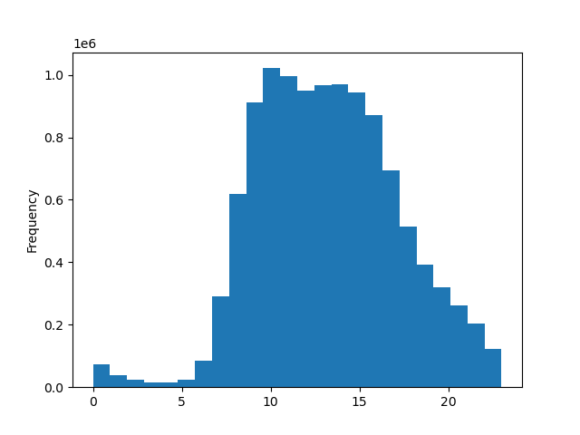

 | On Saturdays and Sundays, between 09:00 and 16:00 majority of orders are placed
Saturday (0) and Sunday (1) are days which account highest amount of orders.

Key Question 2. - They also want to know whether there are particular times of the day when people spend the most money, as this might inform the type of products they advertise at these times.
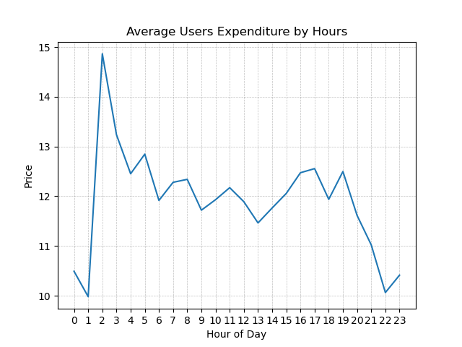
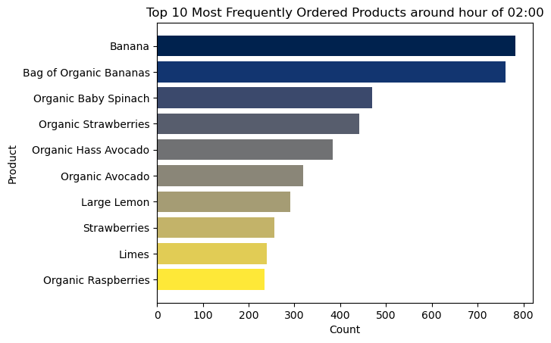

Users around 02:00 tend to buy products with average price of 15$. Throughout a day average expenditure oscilates between 11.5$ and 12.85$. After 19:00 average expenditure steeply decreases until 22:00, when it is around 10$. | It is interesting to see that in top 10 most frequently ordered products, around the time when an average paying price is the highest, 9 are fruits and one is vegetable (Spinach).

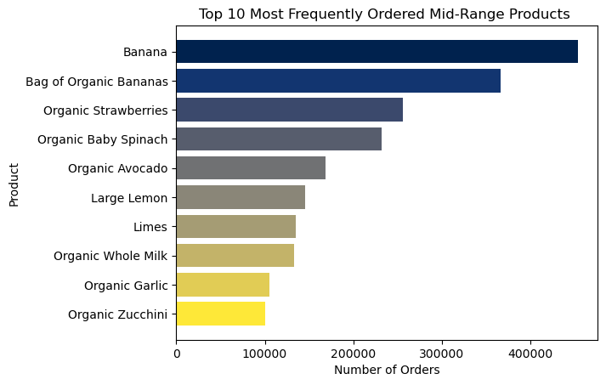
Key Question 3. - Instacart has a lot of products with different price tags. Marketing and sales want to use simpler price range groupings to help direct their efforts.

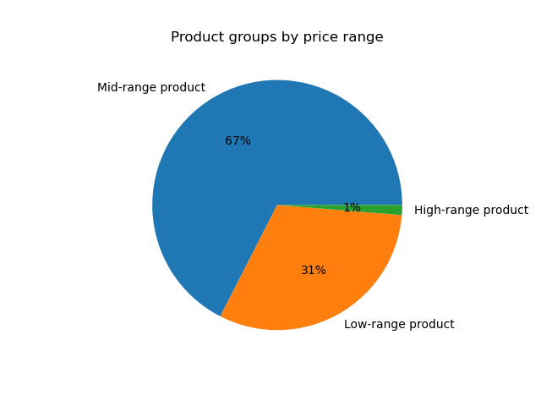

67% of all ordered products are mid-range (5-15$) products, 31% are low-range products (< 5$) and high-range products (> 15$) account for only 1% of all ordered products | In top 10 of most frequently ordered mid-range products, 6 are fruits, 3 vegetables and one diary product

Key Question 4. - Are there certain types of products that are more popular than others? The marketing and sales teams want to know which departments have the highest frequency of product orders
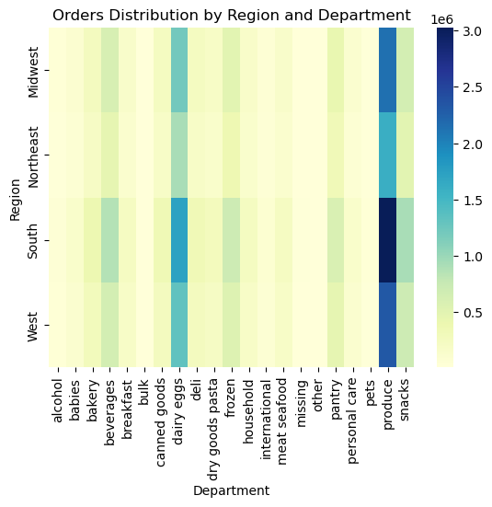
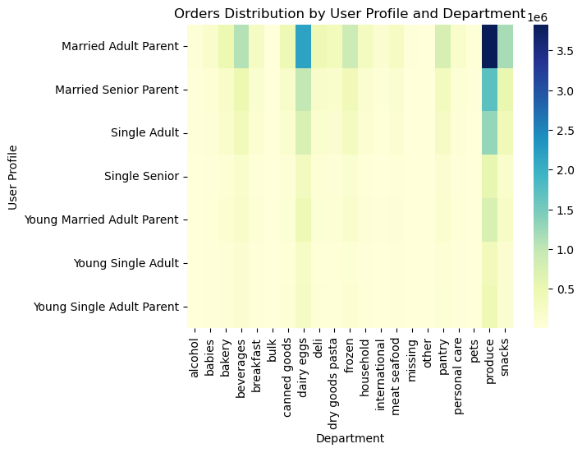

In the heatmap of orders distribution by user profile and department, we can see that 'produce' department has the highest frequency of product orders across all user profiles. It is followed by 'diary_eggs', 'snacks', 'beverages' and 'frozen' respectively. | In the heatmap of orders distribution by region and department, we can see that 'produce' department has the highest frequency of product orders across all regions. It is followed by 'diary_eggs', 'snacks', 'beverages' and 'frozen' respectively. The west region has placed the highest number of orders.

Key Question 5. - The marketing and sales teams are particularly interested in the different types of customers in their system and how their ordering behaviors differ.

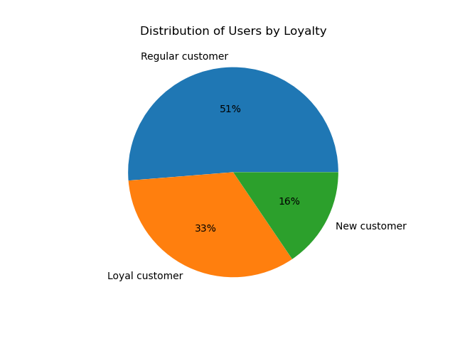
What’s the distribution among users in regards to their brand loyalty (i.e., how often do they return to Instacart)? | Are there differences in ordering habits based on a customer’s loyalty status? Not really, 'produce' is the most ordered department across all customer groups, it is followed by 'diary_eggs', 'snacks' and 'beverages' respectively.
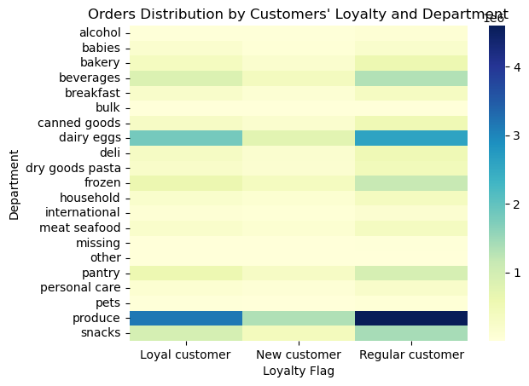

51% of users are regular users, they have placed between 10 and 40 orders. 33% of users are loyal users, they have placed more than 40 orders. 16% of users are regular users, they have placed less than 10 orders.

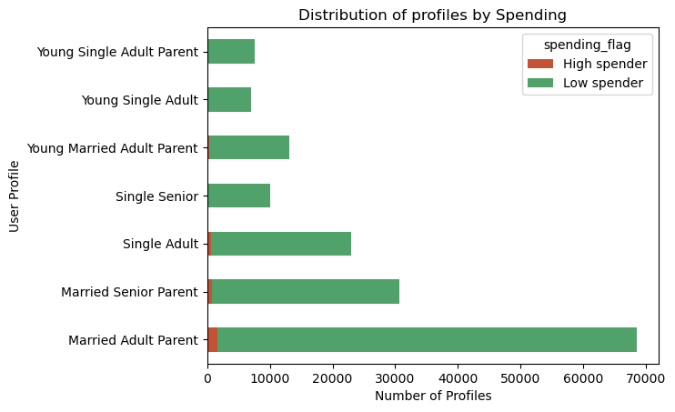
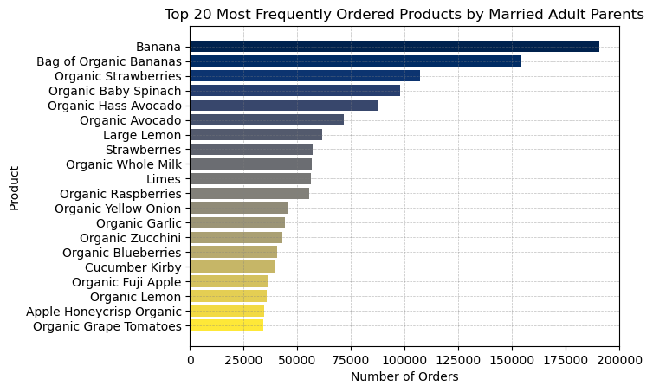
What differences can you find in ordering habits of different customer profiles? Consider the price of orders, the frequency of orders, the products customers are ordering, and anything else you can think of.

Here we can see that there are very few high spenders (users whose average order price is above 10$), vast majority of users are low spenders.



 | Observing top 20 most ordered products, across 2 most numerous user groups, one can tell that fruits and vegetables are the most ordered products. Married Senior, and Adult Parents also have the same products in their top 20 most ordered items.

7. Recommendations
 |  |  | Title page

Recommendations

In this tab you should include any recommendations you would made to Instcart in terms of their marketing strategy based on the questions posed in the brief. Every key question has been covered in the Tasks of the Exercises - here you need to add an item - a visualisation or table/crosstable that is showing the answer in the data, acompanied by a comment from you. Please, list the questions below and add the answer underneath.

Key Question 1. - The sales team needs to know what the busiest days of the week and hours of the
day are (i.e., the days and times with the most orders) in order to schedule ads at
times when there are fewer orders.
Distribution of orders by hours

 | Answer: The period of fewer orders is everyday from 17:00 until 08:00. Since customers are unlikey exposed to ads between 23:00 and 07:00, appropriate period to schedule ads is from 17:00 to 23:00.

Key Question 2. - They also want to know whether there are particular times of the day when people spend the most money, as this might inform the type of products they advertise at these times.

 | Answer: In general people spend the most money during busiest hours, 09:00 - 16:00, but the highest average spending by hours is around 02:00. Top 10 most ordered products during the highest average spending hour and during the busiest hours are fruits and spinach. Therefore, the sales team might advertise more fruits.

Key Question 3. - Instacart has a lot of products with different price tags. Marketing and sales want to use simpler price range groupings to help direct their efforts.

 | Answer: Mid-range products (between 5$ and 15$) account for 67% of total orders, Low-range (under 5$) products 31% and High-range (over 15$) products just 1%. Since top 10 most frequently ordered products are fruits, spinach and milk, the marketing and sales team might increase prices of those.

Key Question 4. - Are there certain types of products that are more popular than others? The marketing and sales teams want to know which departments have the highest frequency of product orders.

 | Answer: The 'produce' department has the highest frequency of product orders by far. It is the most ordered departmant across all user groups and across all regions. It is followed by 'diary_eggs', 'snacks' and 'beverages' respectively. Orders by departments are generally distributed proportionally to the size of corresponding categories. There are no departments that are more popular by certain user group or region.

Key Question 5. - The marketing and sales teams are particularly interested in the different types of customers in their system and how their ordering behaviors differ.

What’s the distribution among users in regards to their brand loyalty (i.e., how often do they return to Instacart)?

 |  | (

 | Answer: 51% of users are regular users, they have placed between 10 and 40 orders. 33% of users are loyal users, they have placed more than 40 orders. 16% of users are regular users, they have placed less than 10 orders. In order to turn regular customers into loyal customers, the marketing and sales departments could offer weekly discounts for few products within most popular product departments and change discounted products every week. In that way products that are sold very frequently, would sell even more as users would be able to buy them for a lower price.

 | Answer: Observing top 20 most ordered products, across 2 most numerous user groups, one can tell that fruits and vegetables are the most ordered products. Married Senior, and Adult Parents also have the very same products in their top 20 most ordered items. As we can see that the majority of users are parents, the marketing and sales department could promote departments that might be popular among Parents' groups.

